PO-55UKWK1,PO-55UKWK2
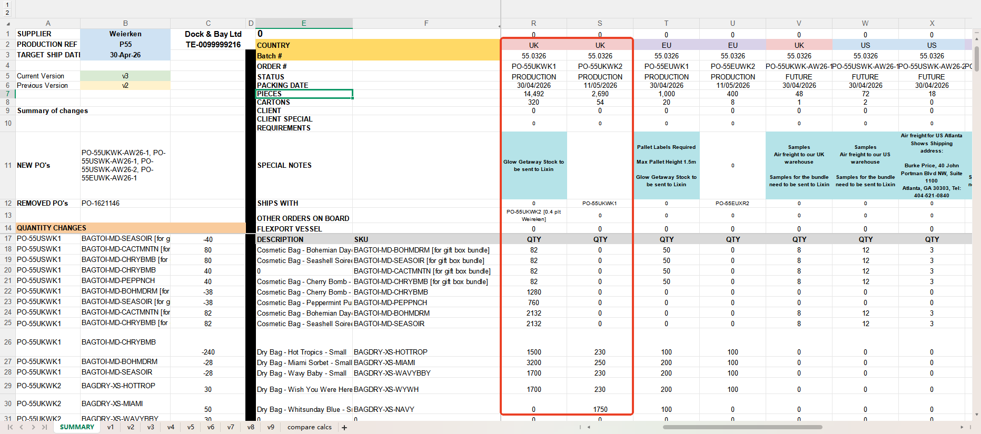
PO-55UKWK1,PO-55UKWK2
Ship information | FLEX-3994935 | Air freight | FLEX-3888754 | XR Estibol | XR NEXT | XR UNTIL | Lixin | Total
New PO Number | PO-55UKWK2 | PO-55UKWK1-AIR | PO-55UKWK1 | PO-1712952 | PO-1678126 | PO-1731760 | PO-55WK-MANU
Notes： | Shipping Date: 13/07/2026 | Flight has departed on July 11. DPD UK tracking numbers（9cartons）: 15504665097969 / 15504665097970 / 15504665097971 / 15504665097972 / 15504665097973 / 15504665097974 / 15504665097975 / 15504665097976 / 15504665097977 Tracking will be available once DPD receives and scans the shipment. | Shipping Date: 14/06/2026 | Already send to XR 2026.05.27 | Already send to XR 2026.06.22 Zera told NEXT PO is PO-1678126 | Already send to XR 2026.06.16 Zera told Until PO is PO-1731760 | Already send to Lixin 2026.04.25
BAGTOI-MD-BOHMDRM [for gift box bundle] |  |  |  |  |  |  | 82 | 82
BAGTOI-MD-SEASOIR [for gift box bundle] |  |  |  |  |  |  | 82 | 82
BAGTOI-MD-CHRYBMB [for gift box bundle] |  |  |  |  |  |  | 82 | 82
BAGTOI-MD-CHRYBMB |  |  | 1280 |  |  |  |  | 1280
BAGTOI-MD-PEPPNCH |  |  | 760 |  |  |  |  | 760
BAGTOI-MD-BOHMDRM |  |  | 2132 |  |  |  |  | 2132
BAGTOI-MD-SEASOIR |  |  | 2132 |  |  |  |  | 2132
BAGDRY-XS-HOTTROP |  |  | 1630 | 100 |  |  |  | 1730
BAGDRY-XS-MIAMI |  |  | 3450 |  |  |  |  | 3450
BAGDRY-XS-WAVYBBY |  |  | 1930 |  |  |  |  | 1930
BAGDRY-XS-WYWH | 1350 | 400 |  |  | 120 | 60 |  | 1930
BAGDRY-XS-NAVY | 1250 | 500 |  |  |  |  |  | 1750

From P55-WK-Quantities-v3-Update 6.24

PO-55USWK1,PO-55USWK2
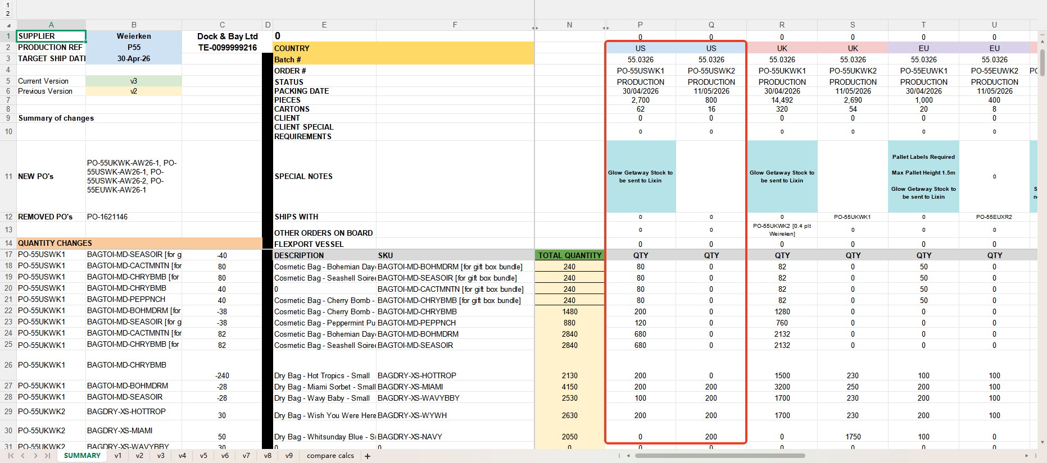
PO-55USWK1,PO-55USWK2
Ship information | FLEX-3947345 | Air freight | XR PO-55USWK2 | Lixin | Total
New PO Number | PO-55USWK1A | PO-55USWK1-AIR | PO-55USWK2 | PO-55WK-MANU
Notes： | Shipping Date: 13/06/2026 | Flight has departed on July 12. UPS tracking numbers（4cartons）: 1Z12B6F30339125457 1Z12B6F30329906668 1Z12B6F30333120678 1Z12B6F30335871489 Tracking will be available once UPS receives and scans the shipment. | Already send to XR 2026.06.22 | Already send to Lixin 2026.04.25
BAGTOI-MD-BOHMDRM [for gift box bundle] |  |  |  | 80 | 80
BAGTOI-MD-SEASOIR [for gift box bundle] |  |  |  | 80 | 80
BAGTOI-MD-CHRYBMB [for gift box bundle] |  |  |  | 80 | 80
BAGTOI-MD-CHRYBMB | 200 |  |  |  | 200
BAGTOI-MD-PEPPNCH | 120 |  |  |  | 120
BAGTOI-MD-BOHMDRM | 680 |  |  |  | 680
BAGTOI-MD-SEASOIR | 680 |  |  |  | 680
BAGDRY-XS-HOTTROP | 200 |  |  |  | 200
BAGDRY-XS-MIAMI | 400 |  |  |  | 400
BAGDRY-XS-WAVYBBY | 300 |  |  |  | 300
BAGDRY-XS-WYWH |  | 200 | 200 |  | 400
BAGDRY-XS-NAVY |  | 200 |  |  | 200

From P55-WK-Quantities-v3-Update 6.24

PO-55EUWK1,PO-55EUWK2
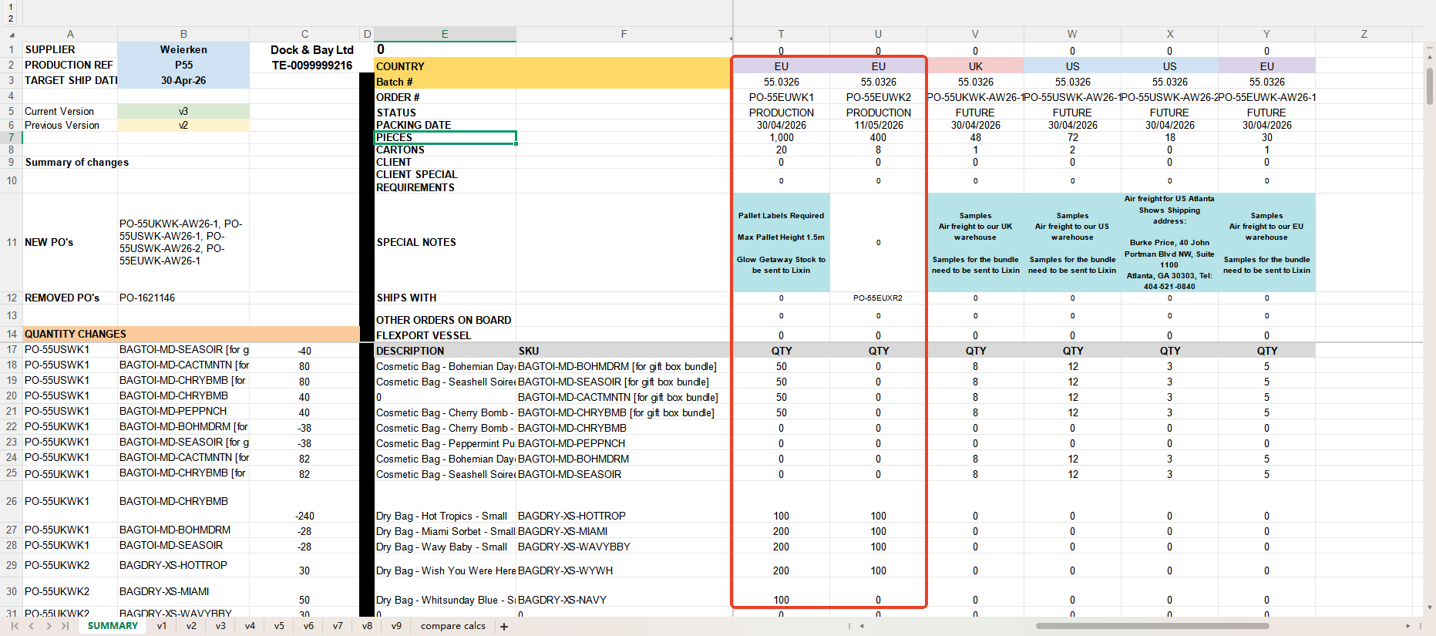
PO-55EUWK1,PO-55EUWK2
Ship information | FLEX-3947351 | XR EU1+2 | Lixin | Total
New PO Number | PO-55EUWK1 | PO-55EUWK2 | PO-55WK-MANU
Notes： | Shipping Date: 14/06/2026 | Already send to XR 2026.06.16 Ben told this one is processed for payment as PO-55EUWK2 | Already send to Lixin 2026.04.25
BAGTOI-MD-BOHMDRM [for gift box bundle] |  |  | 50 | 50
BAGTOI-MD-SEASOIR [for gift box bundle] |  |  | 50 | 50
BAGTOI-MD-CHRYBMB [for gift box bundle] |  |  | 50 | 50
BAGTOI-MD-CHRYBMB |  |  |  | 0
BAGTOI-MD-PEPPNCH |  |  |  | 0
BAGTOI-MD-BOHMDRM |  |  |  | 0
BAGTOI-MD-SEASOIR |  |  |  | 0
BAGDRY-XS-HOTTROP | 200 |  |  | 200
BAGDRY-XS-MIAMI | 300 |  |  | 300
BAGDRY-XS-WAVYBBY | 300 |  |  | 300
BAGDRY-XS-WYWH |  | 300 |  | 300
BAGDRY-XS-NAVY |  | 100 |  | 100

From P55-WK-Quantities-v3-Update 6.24

Remaining PO numbers
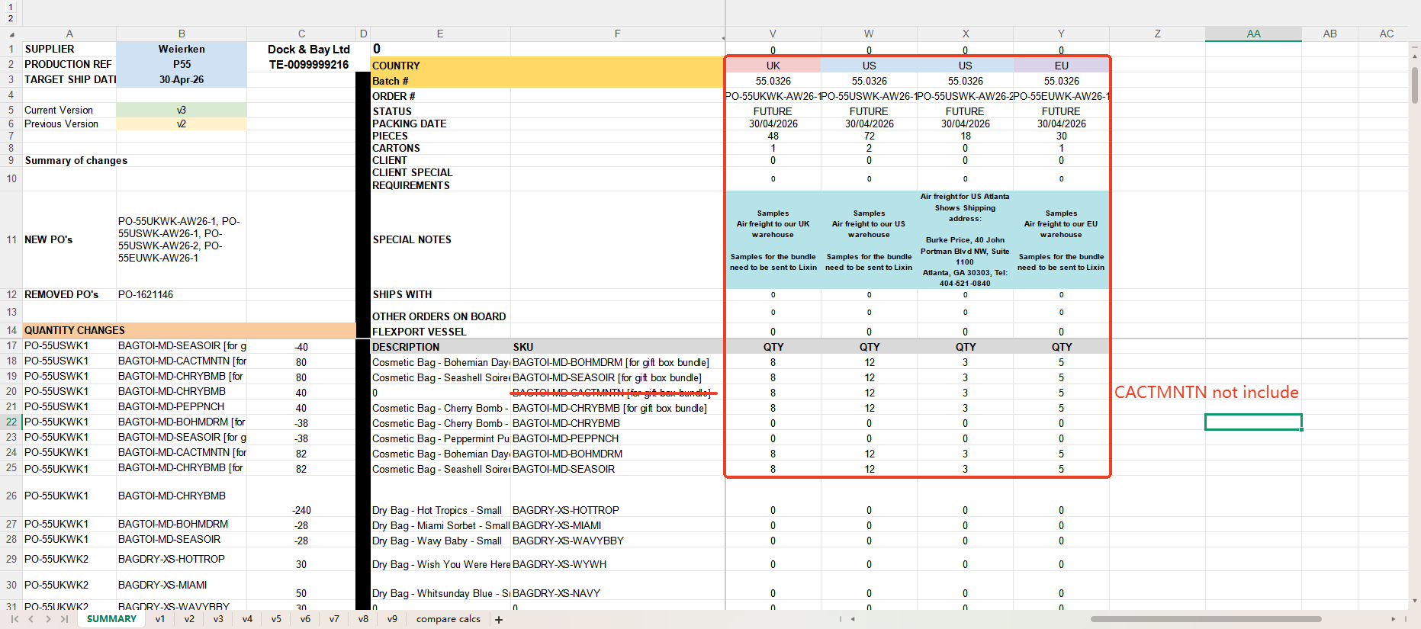
PO Number | PO-55UKWK-AW26-1 | PO-55USWK-AW26-1 | PO-55USWK-AW26-2 | PO-55EUWK-AW26-1 | Total
Notes： | Samples Air freight to UK warehouse (short shipment) Samples for the bundle already sent to Lixin 2026.05.05 | Samples Air freight to US warehouse (short shipment) Samples for the bundle already sent to Lixin 2026.05.05 | Air freight for US Atlanta Shows Gift box bundle*9+ BAGTOI-MD-CACTMNTN*5（P55.2） By Fedex: 871153445122 2026.04.28 (short shipment) | Samples Air freight to EU warehouse (short shipment) Samples for the bundle already sent to Lixin 2026.05.05
BAGTOI-MD-BOHMDRM [for gift box bundle] | 8 | 12 | 3 | 5 | 28
BAGTOI-MD-SEASOIR [for gift box bundle] | 8 | 12 | 3 | 5 | 28
BAGTOI-MD-CHRYBMB [for gift box bundle] | 8 | 12 | 3 | 5 | 28
BAGTOI-MD-CHRYBMB
BAGTOI-MD-PEPPNCH
BAGTOI-MD-BOHMDRM | 8 | 12 | 3 | 5 | 28 | short shipment
BAGTOI-MD-SEASOIR | 8 | 12 | 3 | 5 | 28 | short shipment
BAGDRY-XS-HOTTROP
BAGDRY-XS-MIAMI
BAGDRY-XS-WAVYBBY
BAGDRY-XS-WYWH
BAGDRY-XS-NAVY

From P55-WK-Quantities-v3-Update 6.24

